Example1
Example 1

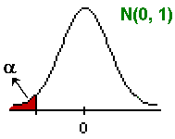
H0: m ³ | 12
H1: m < | 12 | Alfa | 0.05

Population: | any | Test statistic | -1.4
Pop. STD | 3
Sample size: | 36 | Critical value | -1.6449

Sample mean: | 11.3 | Decision | Not reject H0

 |  | p-value | 0.0808

Example2
Example 2

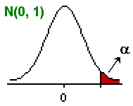
H0: m1 - m2 <= | 0
H1: m1 - m2 > | 0 | Alfa | 0.05

n1 | 35 | Test statistic
n2 | 30 | S'2 | 1.6794
Xbar_1 | 6.3 | Zobs | 3.4116
Xbar_2 | 5.2
s1 | 1.2 | Critical value | 1.6449
s2 | 1.4
 |  | Decision | Reject H0

 |  | p-value | 0.00032

